1.4 Insurance - Dashboard
No | Screen | User Action | Business Logic | API Name | Microservice Ownership | Method | Endpoint | Request JSON | Success Response JSON | Failed Response JSON | ESB | ECLIPSE DB | Source | BE Validation
1 | 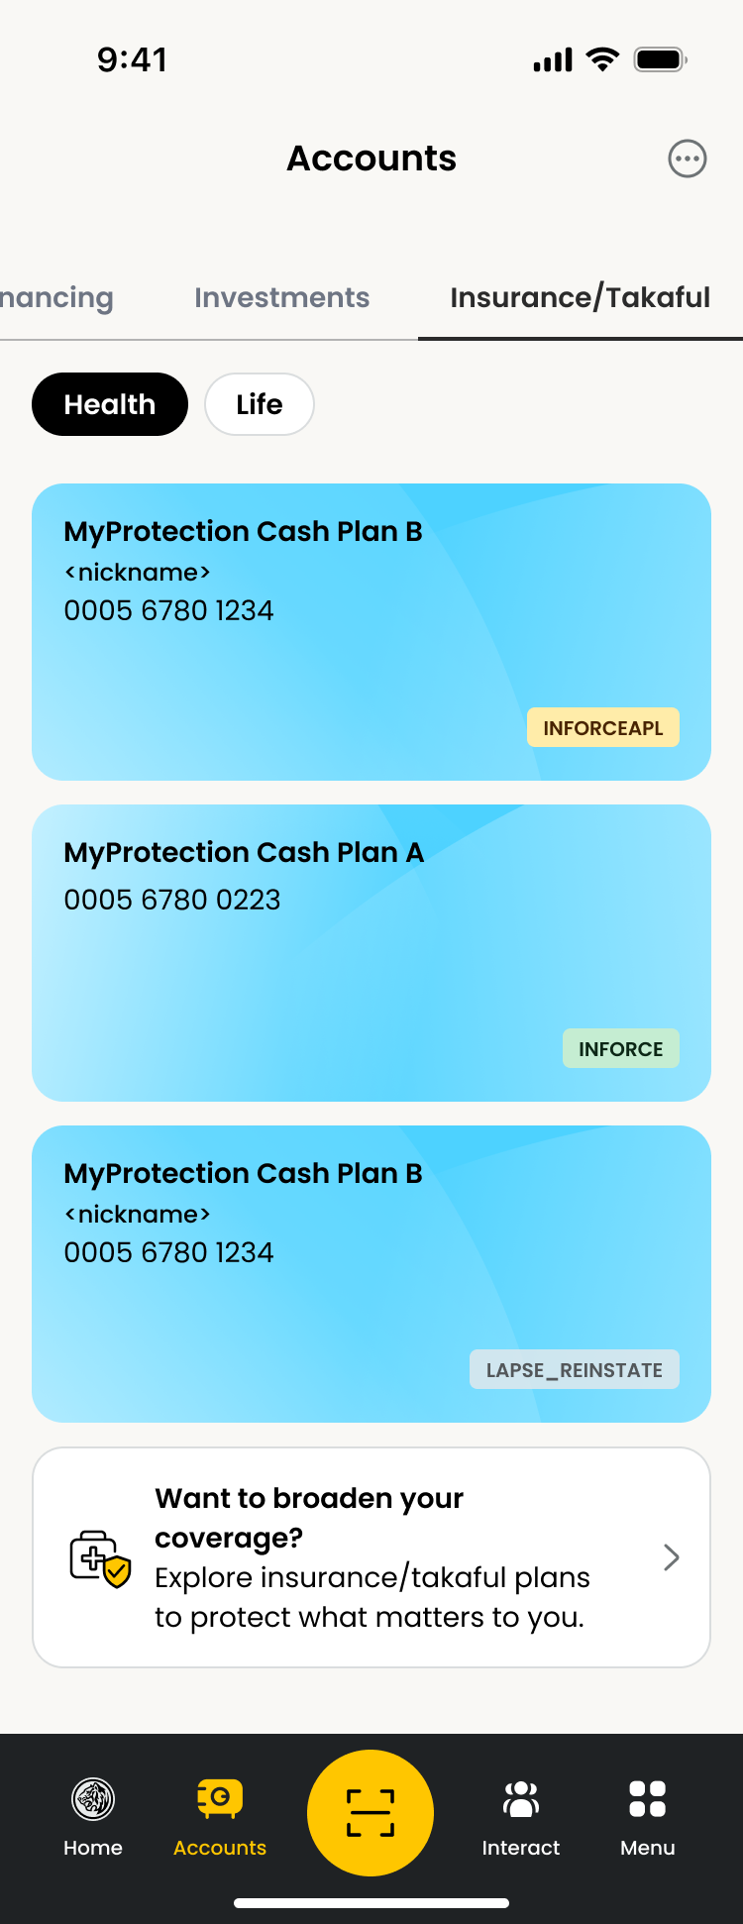 | User tap "Insurance/Takaful" -> "Health" tab |  | getDashboard | dep-dashboard | GET | /v1/accounts?featureType= |  | Status code: 200 { "success": true, "message": { "messageKey": "0000", "messageDescription": "Success" }, "meta": { "provider": "erp" }, "data": { "totalAccountsCount": 3, "totalAssetsCount": 0, "totalAssetsPercentage": 0, "totalLiabilitiesBalance": 0, "totalLiabilitiesCount": 3, "totalLiabilitiesPercentage": 100, "customer": { "customerName": "DDEV SIX", "customerAccessId": "5264782000027873", "customerId": "800225556814", "customerCif": "000798054", "staffIndicator": "N" }, "accountType": [ { "accountType": "HEALTH", "typeAggregatedBalance": 0, "typeAccountsCount": 3, "accountTypePercentage": 100, "consent": "Y", "account": [ { "status": "INFORCEAPL", "accountId": "000567801234", "accountType": "HEALTH", "accountGroup": "INSURANCE", "accountCategory": "ASSET", "accountName": "MyProtection Cash Plan B", "nickname": "Main protection", "updateDatetime": "2026-05-06 20:25:34", "accountCode": "PB" }, { "status": "INFORCE", "accountId": "000567800223", "accountType": "HEALTH", "accountGroup": "INSURANCE", "accountCategory": "ASSET", "accountName": "MyProtection Cash Plan A", "updateDatetime": "2026-05-06 20:25:33", "accountCode": "PA" }, | Status code: 500 { "success": false, "message": { "messageKey": "9999", "messageDescription": "Internal server error" }, "meta": { "provider": "esb" }, "data": {}, "link": {} } | N | Y | ECLIPSE DB : [Insurance] 1. TBA [Account Nickname] 1. account_nickname [Product Name] 1. product_name | 1. Check GCIF belongs to customer based on token 2. Request param accountType is mandatory
2 |  | User tap "Insurance/Takaful" -> "Life" tab |  |  | dep-dashboard | GET | /v1/accounts?accountType=LIFE |  | Status code: 200 { "success": true, "message": { "messageKey": "0000", "messageDescription": "Success" }, "meta": { "provider": "erp" }, "data": { "totalAccountsCount": 4, "totalAssetsCount": 0, "totalAssetsPercentage": 0, "totalLiabilitiesBalance": 321548600.0, "totalLiabilitiesCount": 4, "totalLiabilitiesPercentage": 100, "customer": { "customerName": "DDEV SIX", "customerAccessId": "5264782000027873", "customerId": "800225556814", "customerCif": "000798054", "staffIndicator": "N" }, "accountType": [ { "accountType": "LIFE", "typeAggregatedBalance": 321548600.0, "typeAccountsCount": 4, "accountTypePercentage": 100, "consent": "Y", "account": [ { "status": "INFORCEAPL", "accountId": "000567803456", "accountType": "LIFE", "accountGroup": "INSURANCE", "accountCategory": "TRADITIONAL", "accountName": "MyProtection Simple", "nickname": "Budi Santoso Wijaya", "updateDatetime": "2026-05-06 20:25:34", "accountCode": "IT" }, { "status": "INFORCE", "accountId": "000567800223", "accountType": "LIFE", "accountGroup": "INSURANCE", "accountCategory": "UNIT_LINK", "currency": "IDR", "balance": 114200000.0, "accountName": "MyProtection Infinite", "updateDatetime | Status code: 500 { "success": false, "message": { "messageKey": "9999", "messageDescription": "Internal server error" }, "meta": { "provider": "esb" }, "data": {}, "link": {} } | N | Y | ECLIPSE DB : [Insurance] 1. TBA [Account Nickname] 1. account_nickname [Product Name] 1. product_name | 1. Check GCIF belongs to customer based on token 2. Request param accountType is mandatory

